Trustees
Current trustees
Sean Sinclair |  | Chairman
Norman Lamont |  | Trustee
Andrew Millie |  | Trustee
Michael Ross |  | Trustee
Leon Wylie |  | Trustee
Susan Evans |  | Treasurer

Contact address
C/o Sean Sinclair, 48 Echline Drive South Queensferry

Recruitment and appointment of Trustees
All of the Association’s trustees are appointed or reappointed by the members at our annual general meeting, which is held in December each year.

Governing document
The Association is a charitable unincorporated association and the purposes and administration arrangements are set out in our constitution.

Charitable purposes
Our purposes, as recorded in our constitution, are to provide public benefit in Scotland and to promote and encourage the arts and culture, and to foster an understanding and appreciation thereof. In particular (but without limitation), the organisation's primary purpose is to encourage the art of music in all its aspects, by the production and presentation of musical and other artistic performances.

Activities and achievements
In the course of this year, we ran a folk festival in September 2024. We also ran a monthly music session. As usual, some of the revenues for this festival (sponsorship) were accounted for in the preceding financial year.

Overall financial position
The charity is financially stable, with a positive bank balance and a track record of attracting funding to support its events.

Trustee remuneration and expenses
The trustees did not receive any remuneration or expenses during the year other than reimbursement of expenditure.

Approved by the Trustees and signed on their behalf
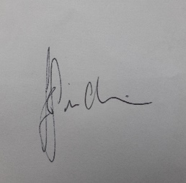
Sean Sinclair

Date | 2026-03-18

CB exps 2024-25
Queensferry Music Society
Year ended 30th June 2025
Expenditure

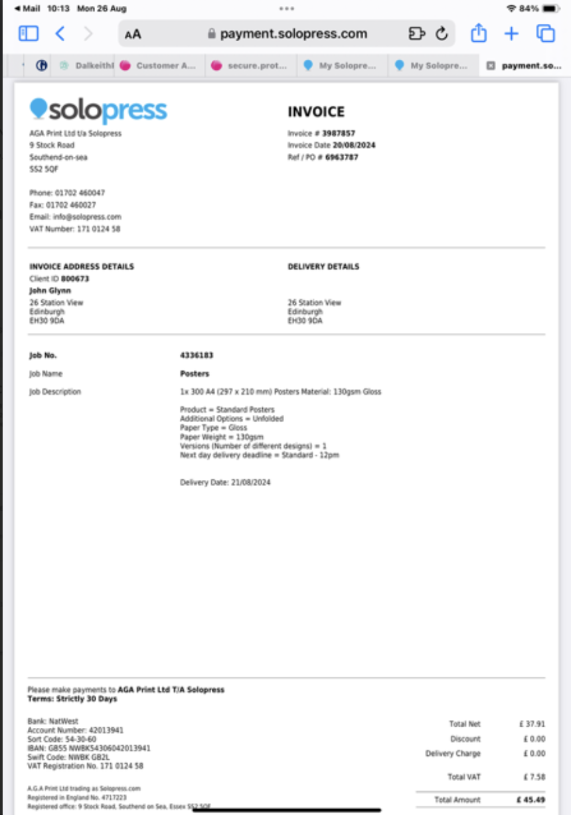
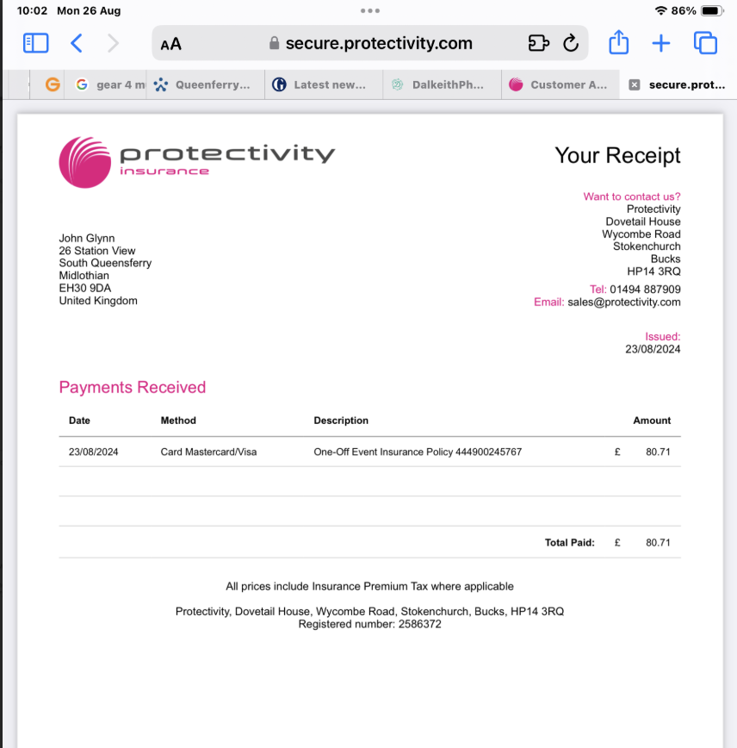
Date | Ref | Description | Total | Festival Expenses | Hall Hire | Music books | INV 1 | Total £126.20 but transferred rounded £125
2024-08-27 | INV1 | John Glynn | 125.00 | 125.00
2024-09-18 | INV2 | Rachel Walker | 150.00 | 150.00
2024-09-18 | INV3 | Stuart Miller | 180.00 | 180.00
2024-09-18 | INV4 | K A McLanaghan | 80.00 | 80.00
2024-09-18 | INV5 | Ewen Henderson | 650.00 | 650.00
2024-11-15 | INV6 | Stewart Brewing | 145.61 | 145.61

 |  |  | 1,330.61 | 1,330.61 | - | -

 |  |  |  | 1,330.61

 |  |  |  |  |  |  | INV 2 | No invoice but the following is the text asking for payment with Rachel Walker

 |  |  |  |  |  |  | INV 3
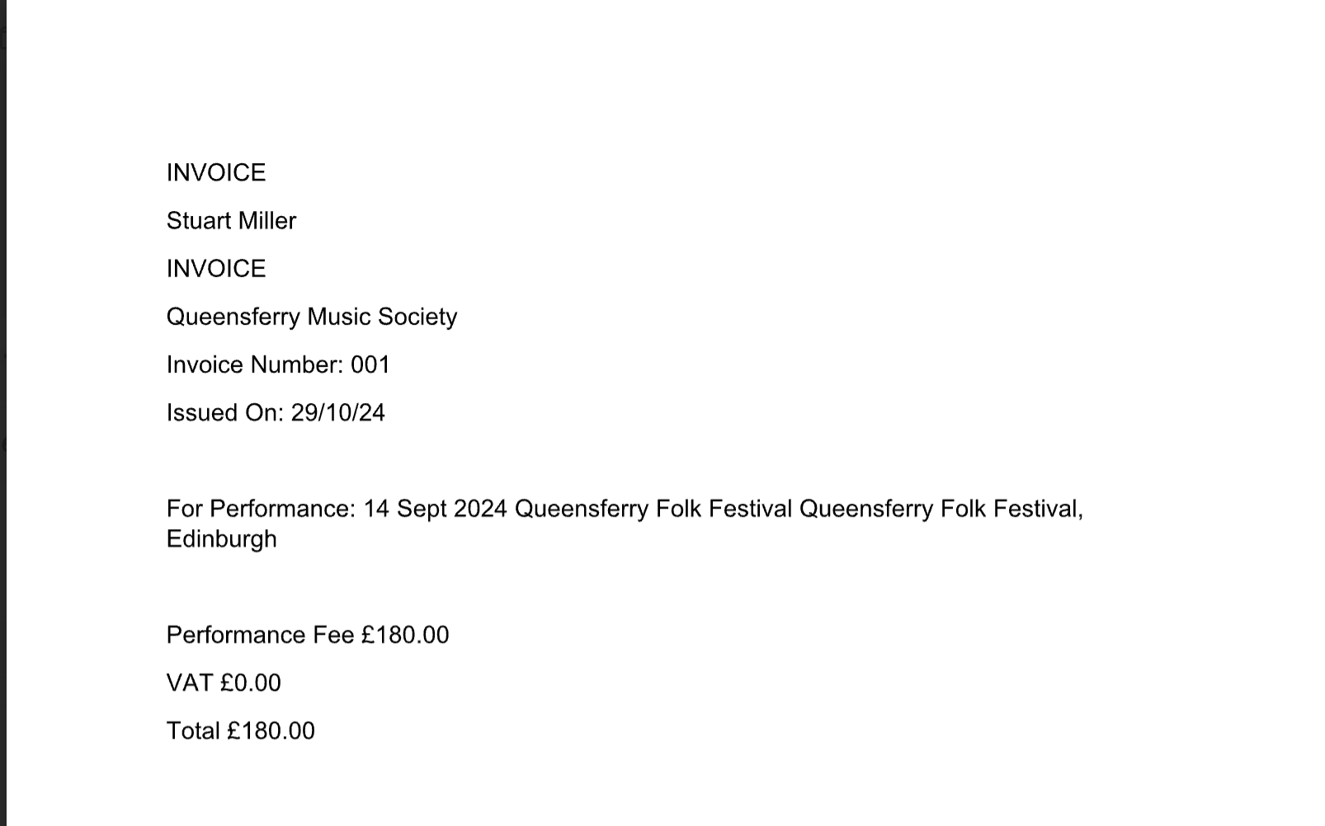

 |  |  |  |  |  |  | INV 4

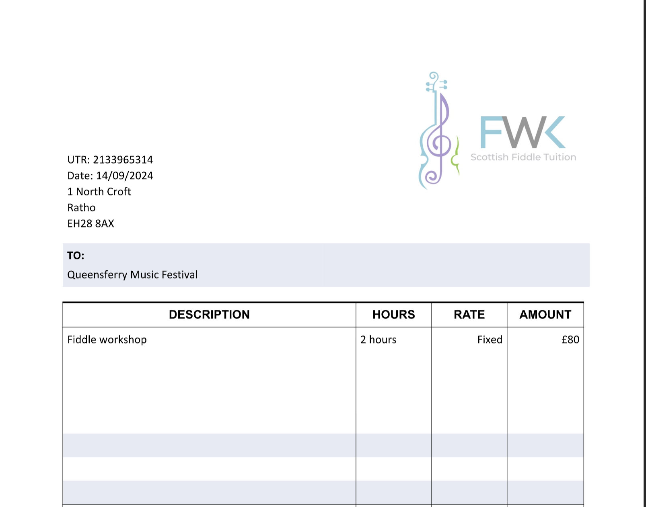

 |  |  |  |  |  |  | INV 5 | Invoice is only for £600 but £650 was paid in error through the bank

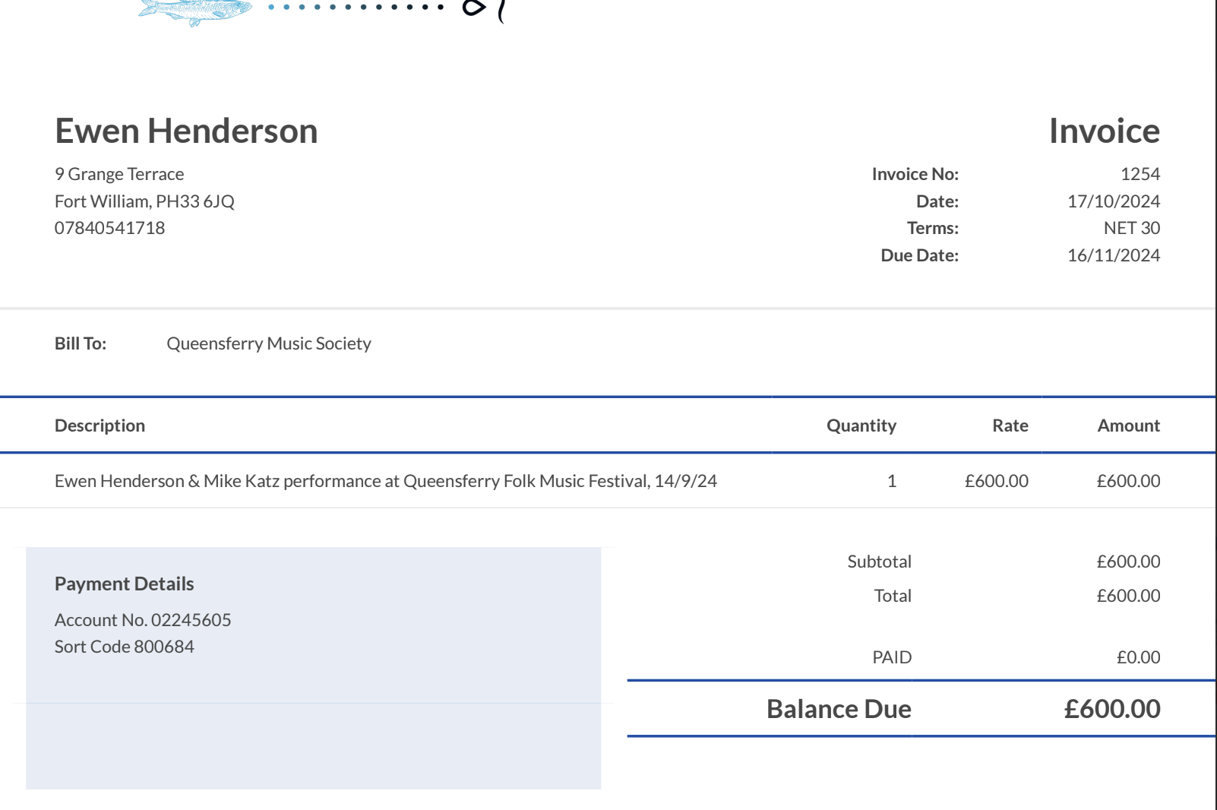

 |  |  |  |  |  |  |  | INV 6

 |  |  |  |  |  |  |  | INV 6

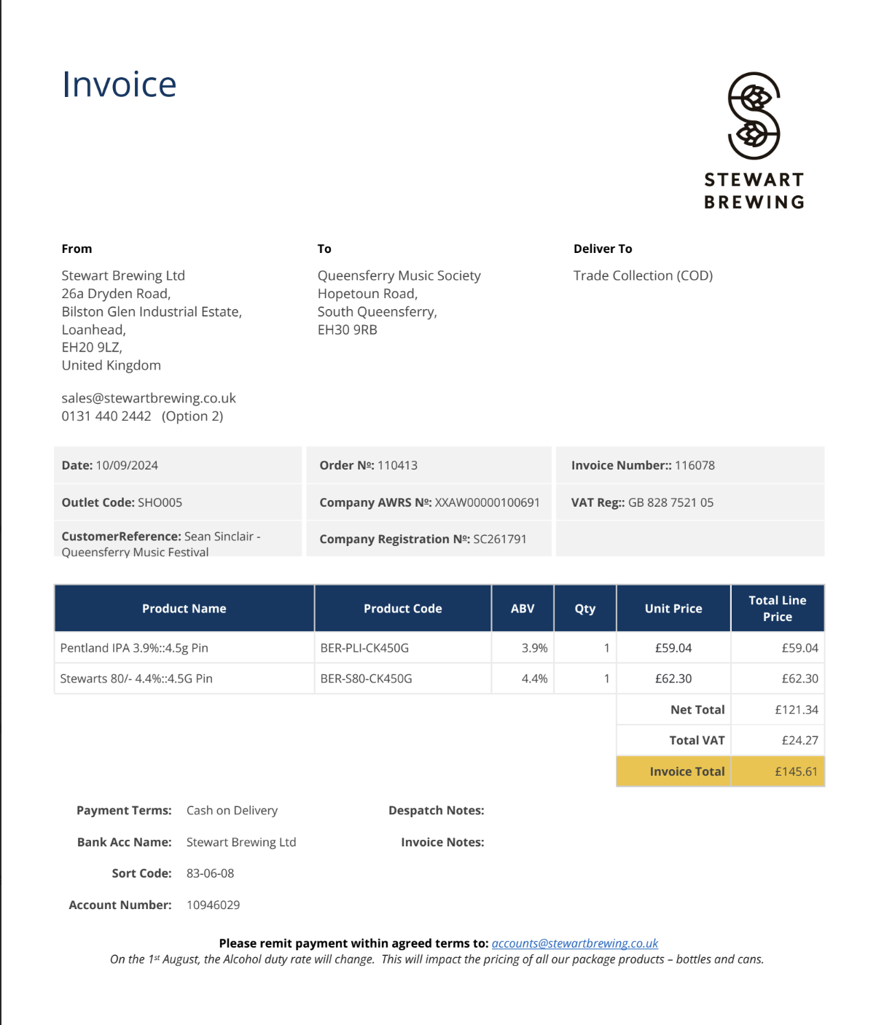

CB exps 2023-24
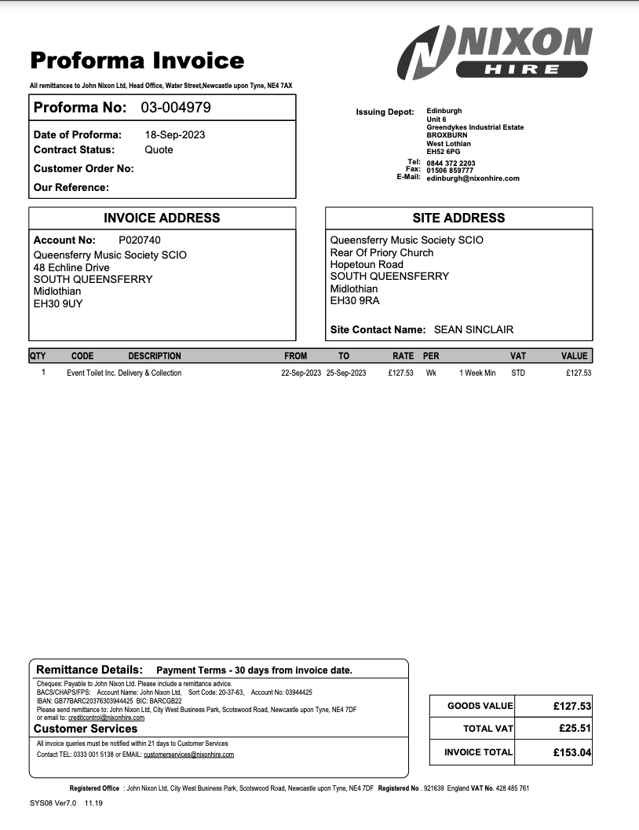
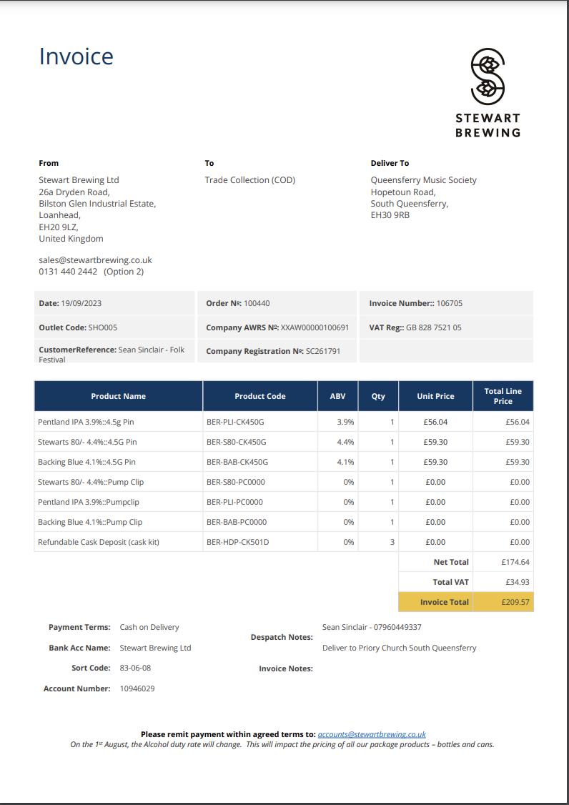
Queensferry Music Society |  |  |  |  |  |  | Inv 1 |  | Inv 2
Year ended 30th June 2024
Expenditure

Date | Ref | Description | Total | Festival Expenses | Hall Hire | Music books
2023-09-18 | Inv 1 | John Nixon Ltd | 153.04 | 153.04
2023-09-18 | Inv 2 | Stewart Brewing | 209.57 | 209.57
2023-09-20 | Inv 3 | Bryan James & Co | 145.00 | 145.00
2023-09-25 | Inv 4 | Lauren Collier | 900.00 | 900.00
2023-09-25 | Inv 5 | N J Jenkins | 300.00 | 300.00
2023-09-25 | Inv 6 | Alan Bearman Music | 400.00 | 400.00
2023-09-29 | Inv 7 | Norman Lamont | 58.07 | 58.07
2023-09-29 | Inv 8 to Inv 13 | Andrew Millie | 229.66 | 229.66

 |  |  | 2,395.34 | 2,395.34 | - | -

 |  |  |  | 2,395.34

 |  |  |  |  |  |  | Inv 3 |  | Inv 4

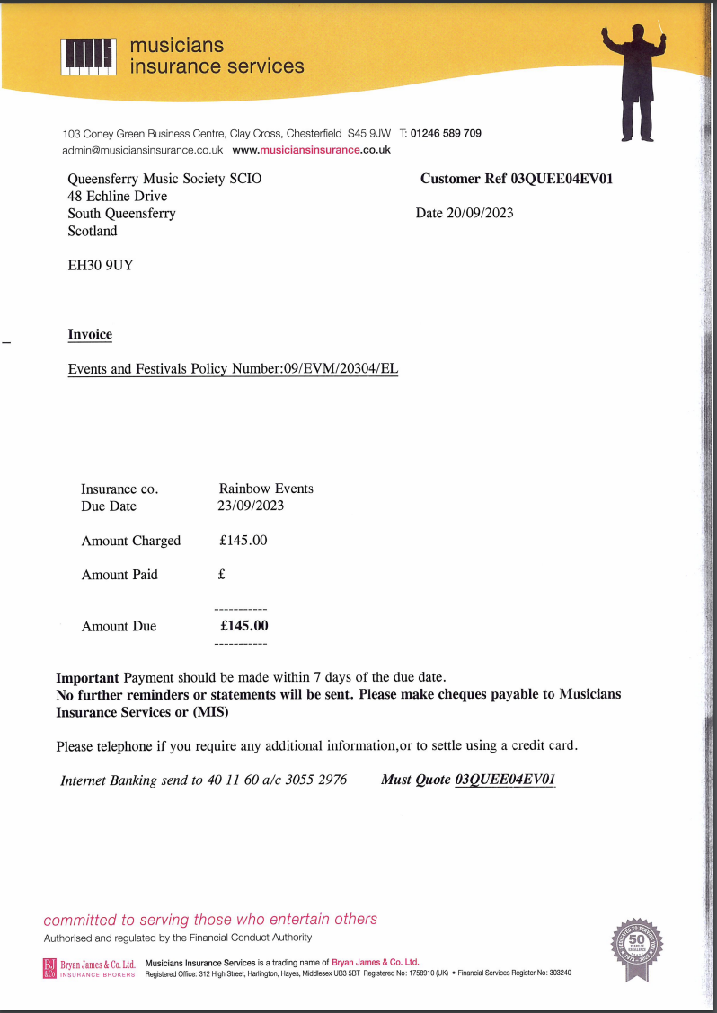
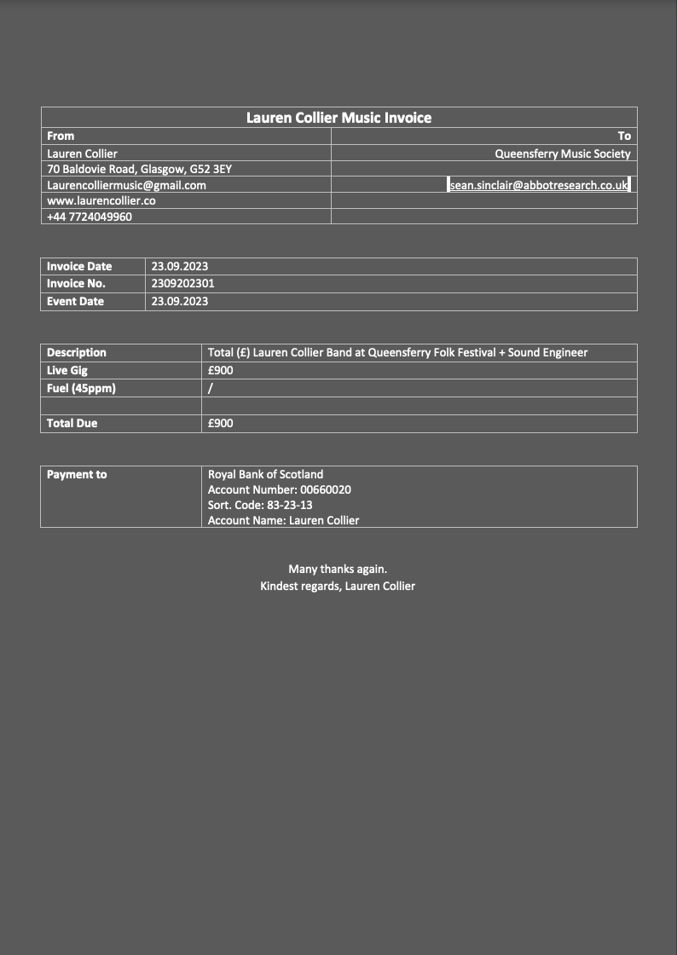

 |  |  |  |  |  |  |  |  |  |  | Inv 6
 |  |  |  |  |  |  | Inv 5
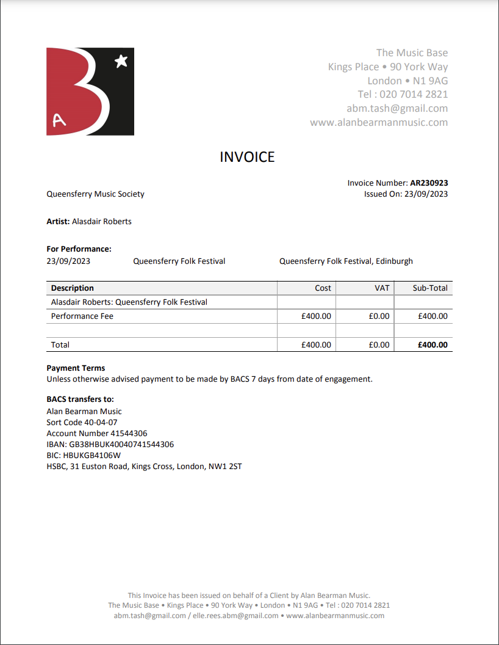
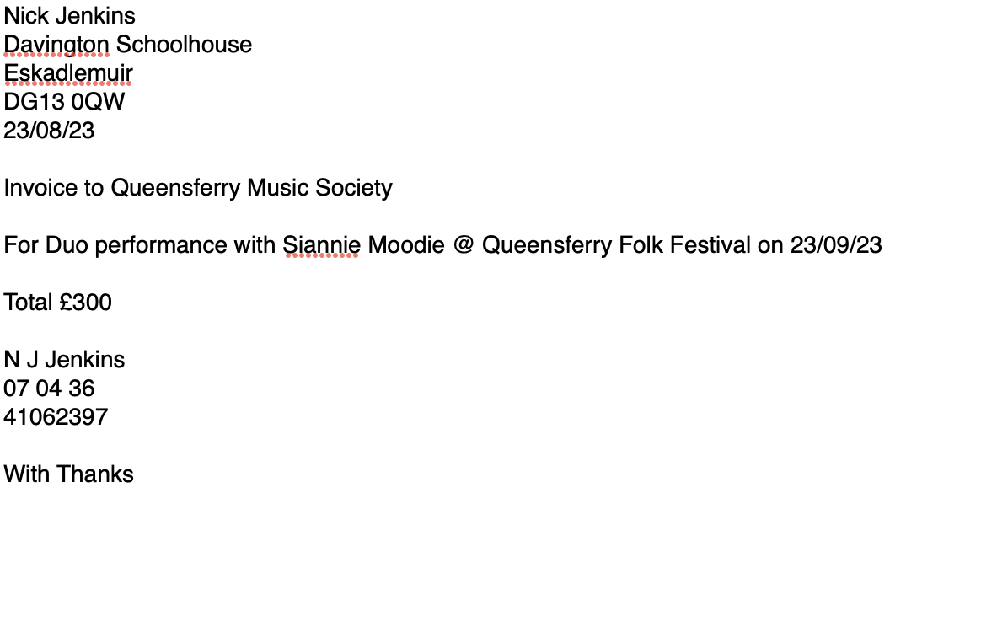

 |  |  |  |  |  |  | Inv 7

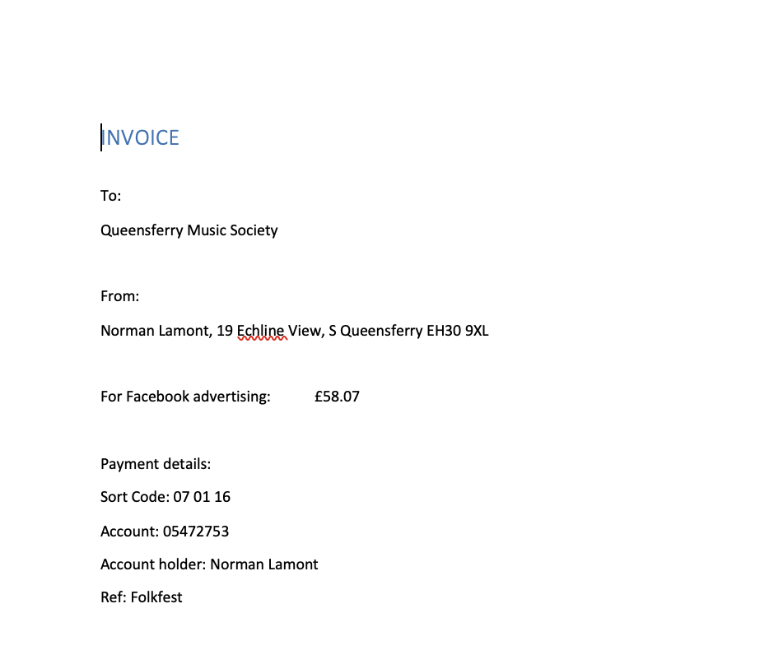

 |  |  |  |  |  |  | Inv 8 |  |  |  | Inv 9

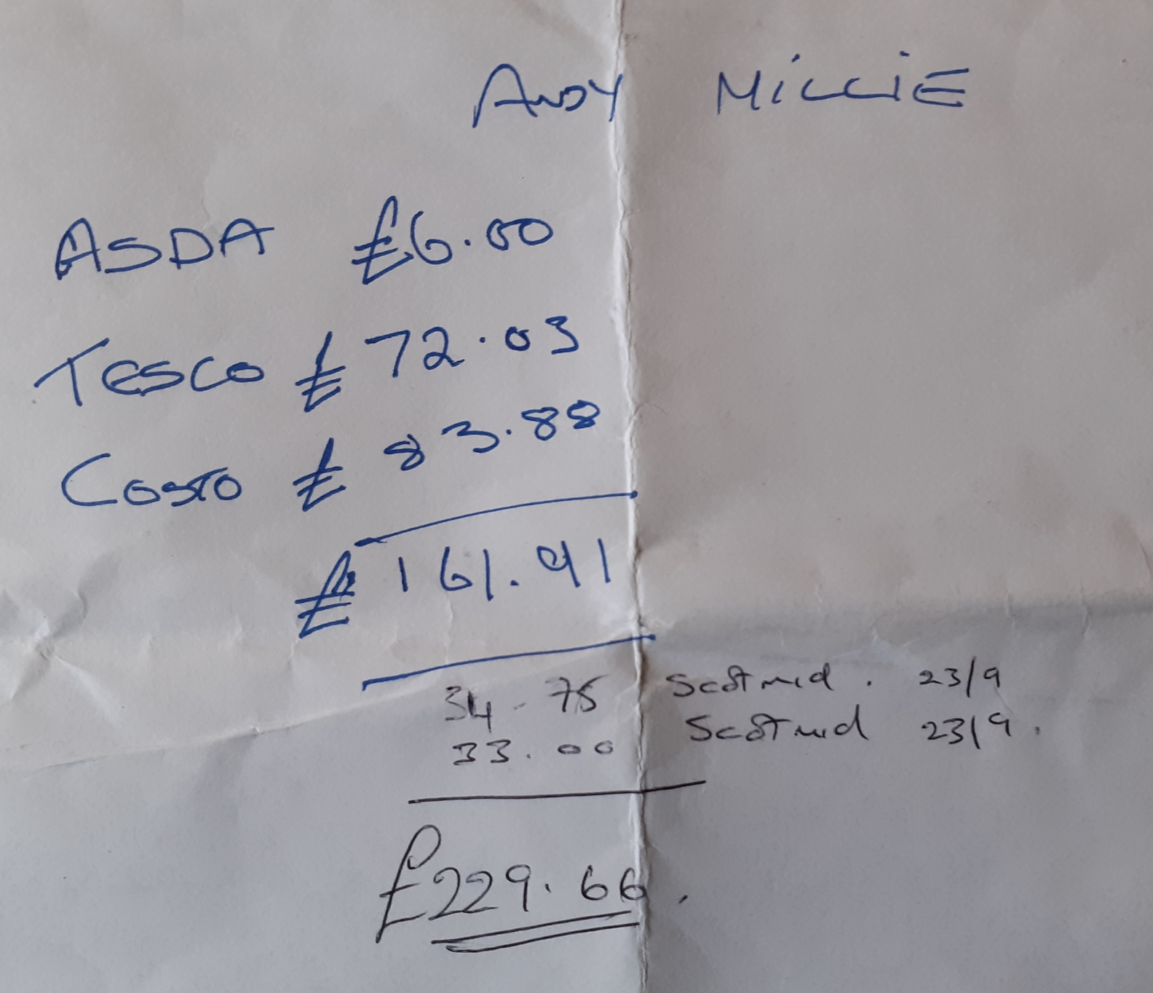
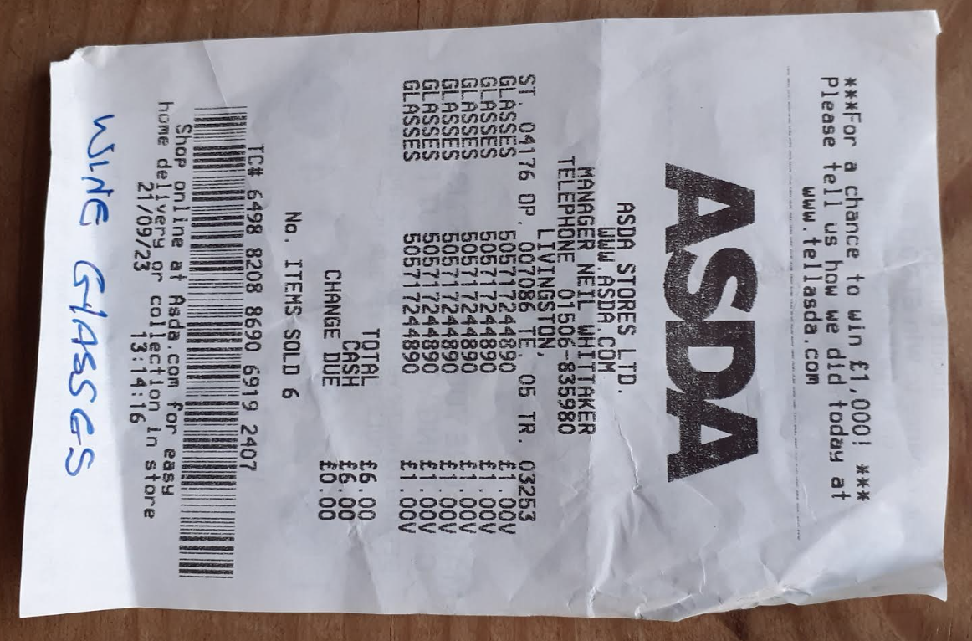

 |  |  |  |  |  |  | Inv 10 | Inv 11 |  | Inv 12

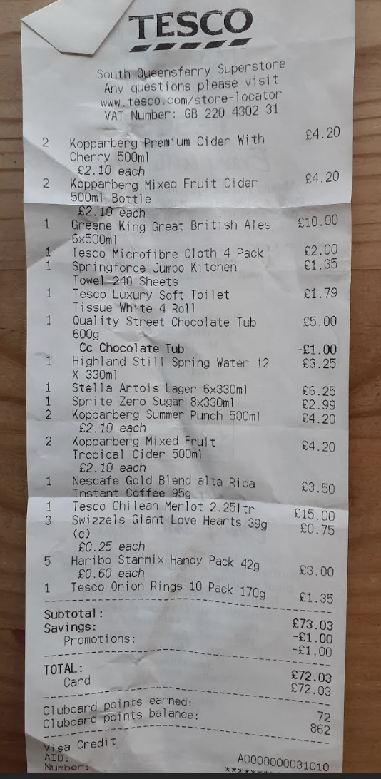
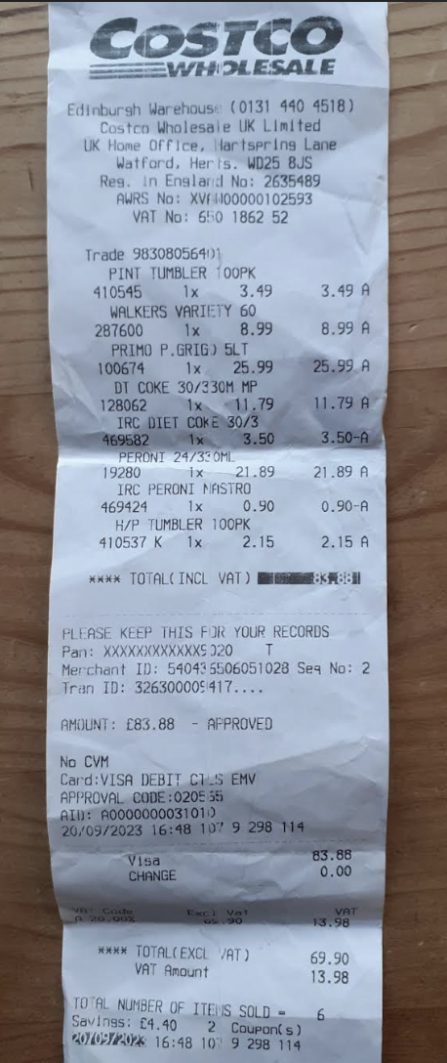
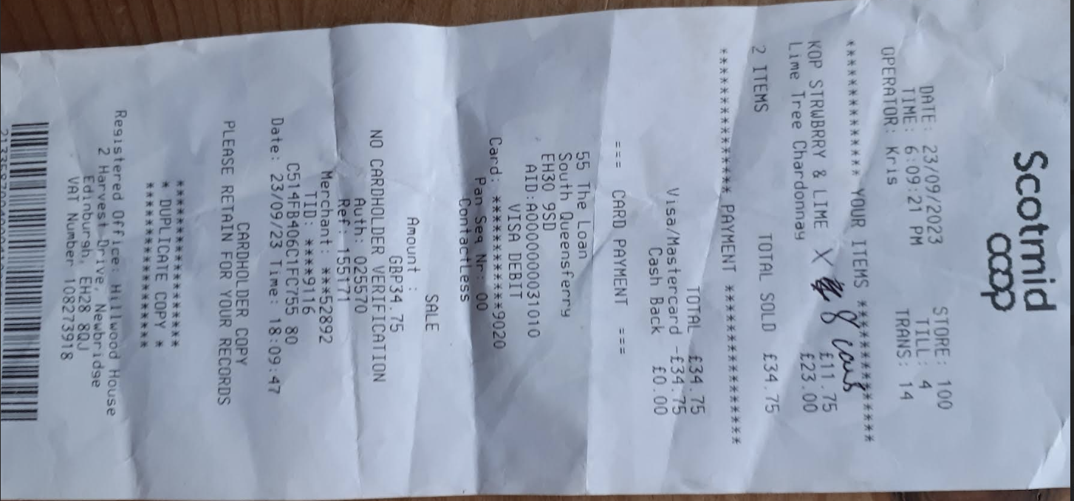

 |  |  |  |  |  |  | Inv 13

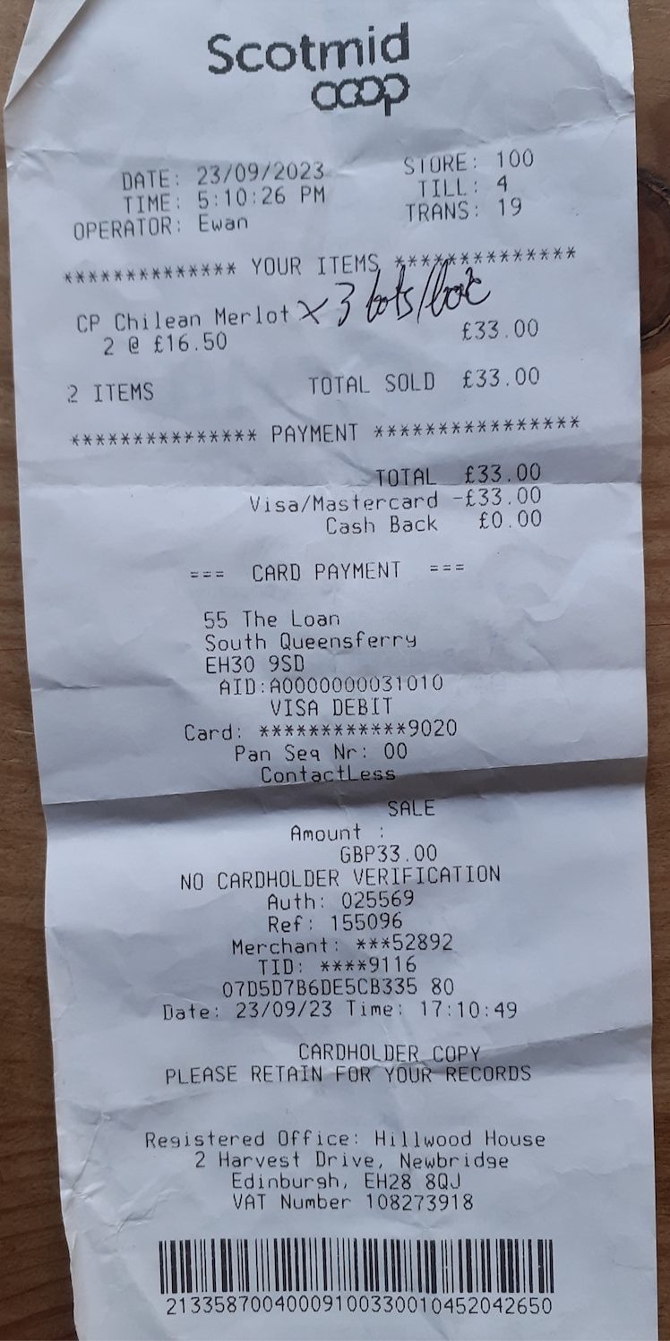

Bank statement 2024-25
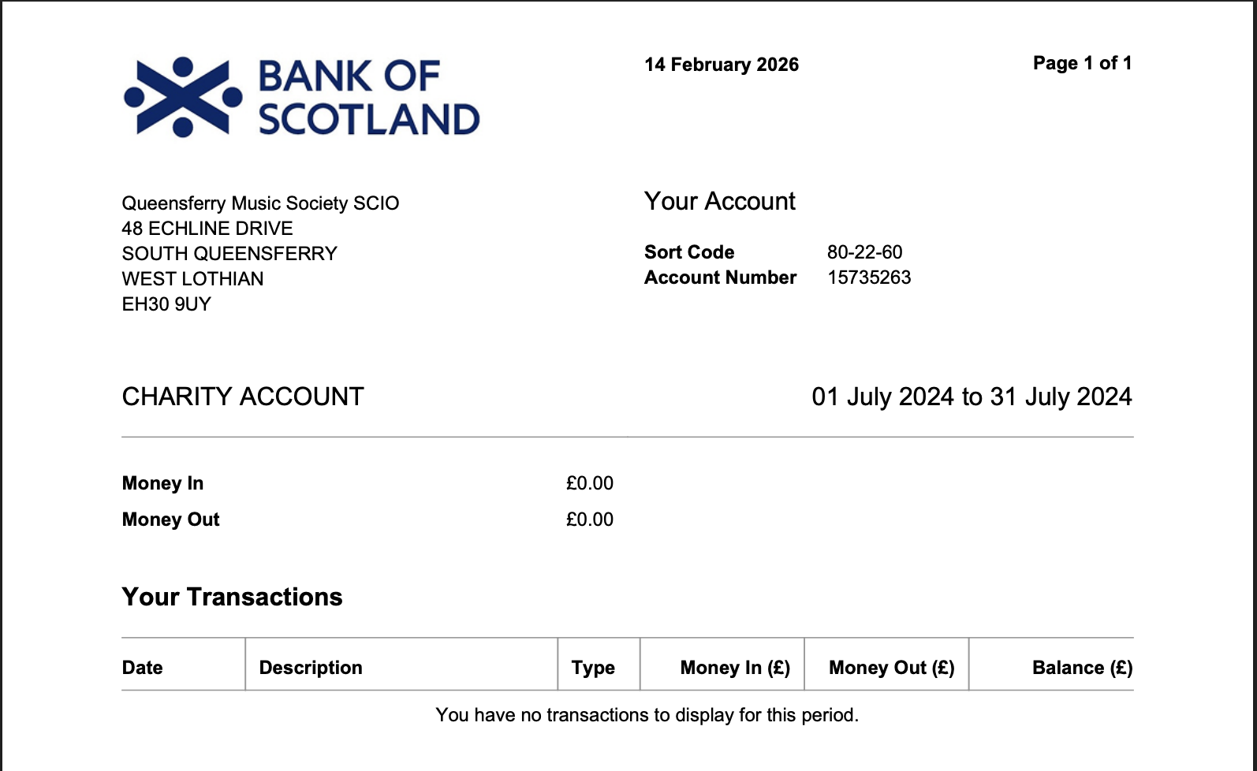

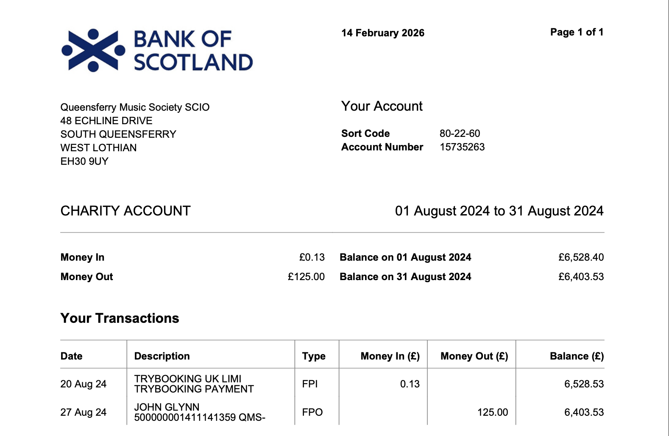

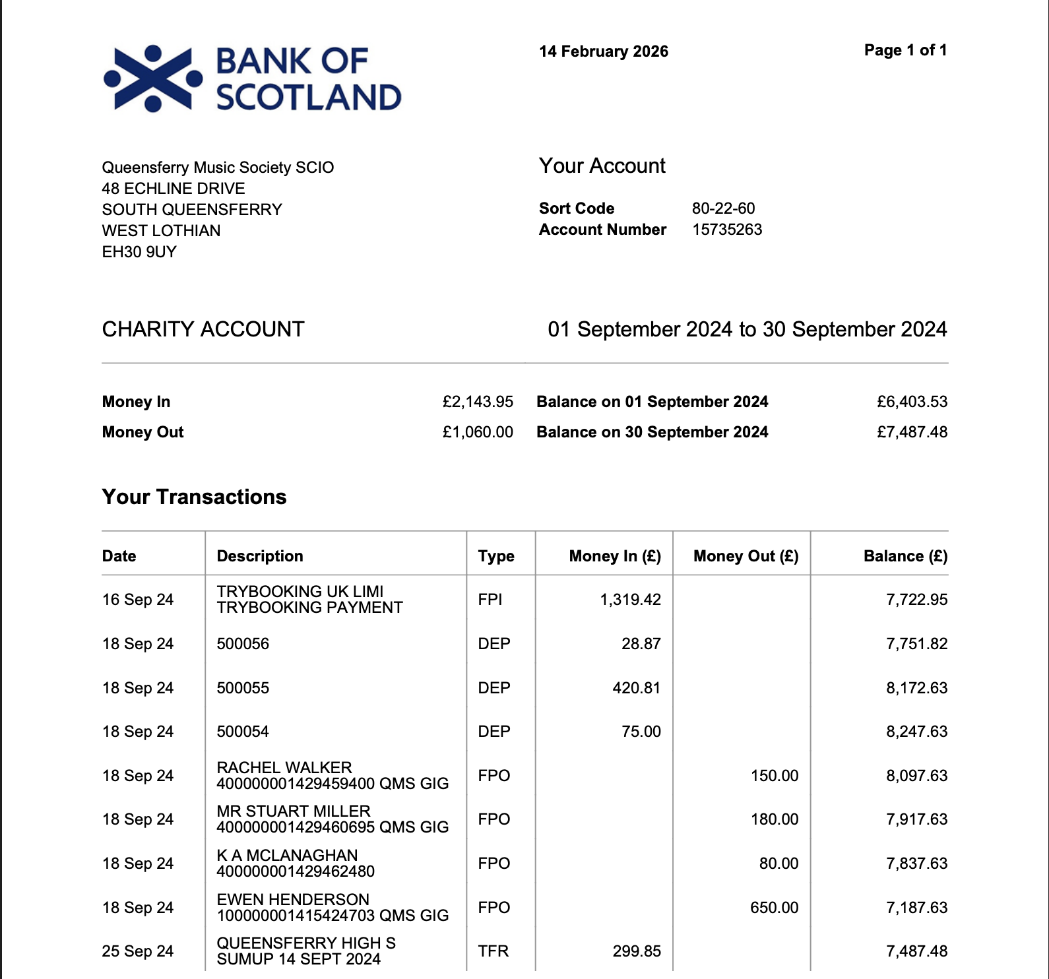

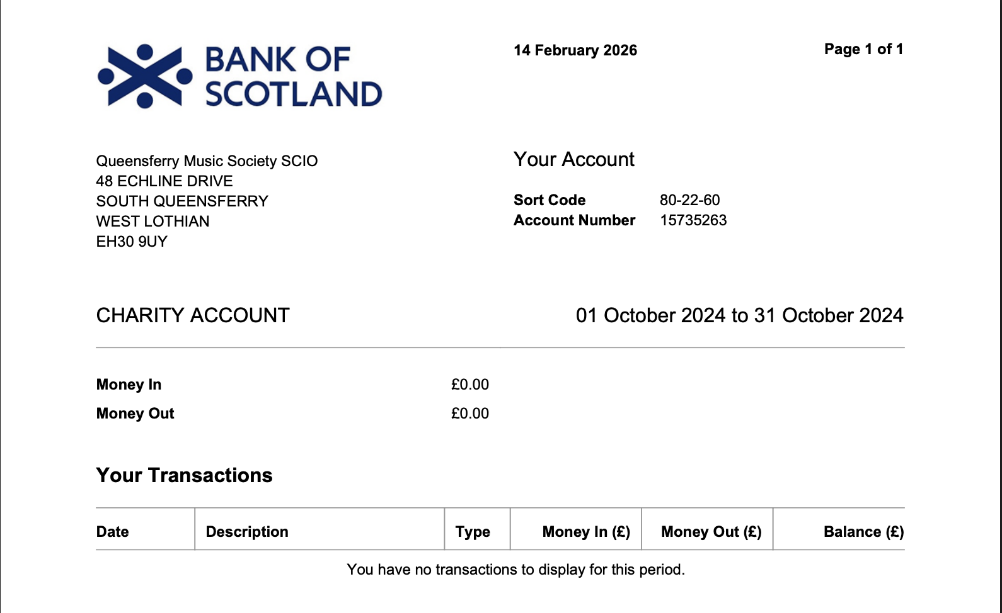

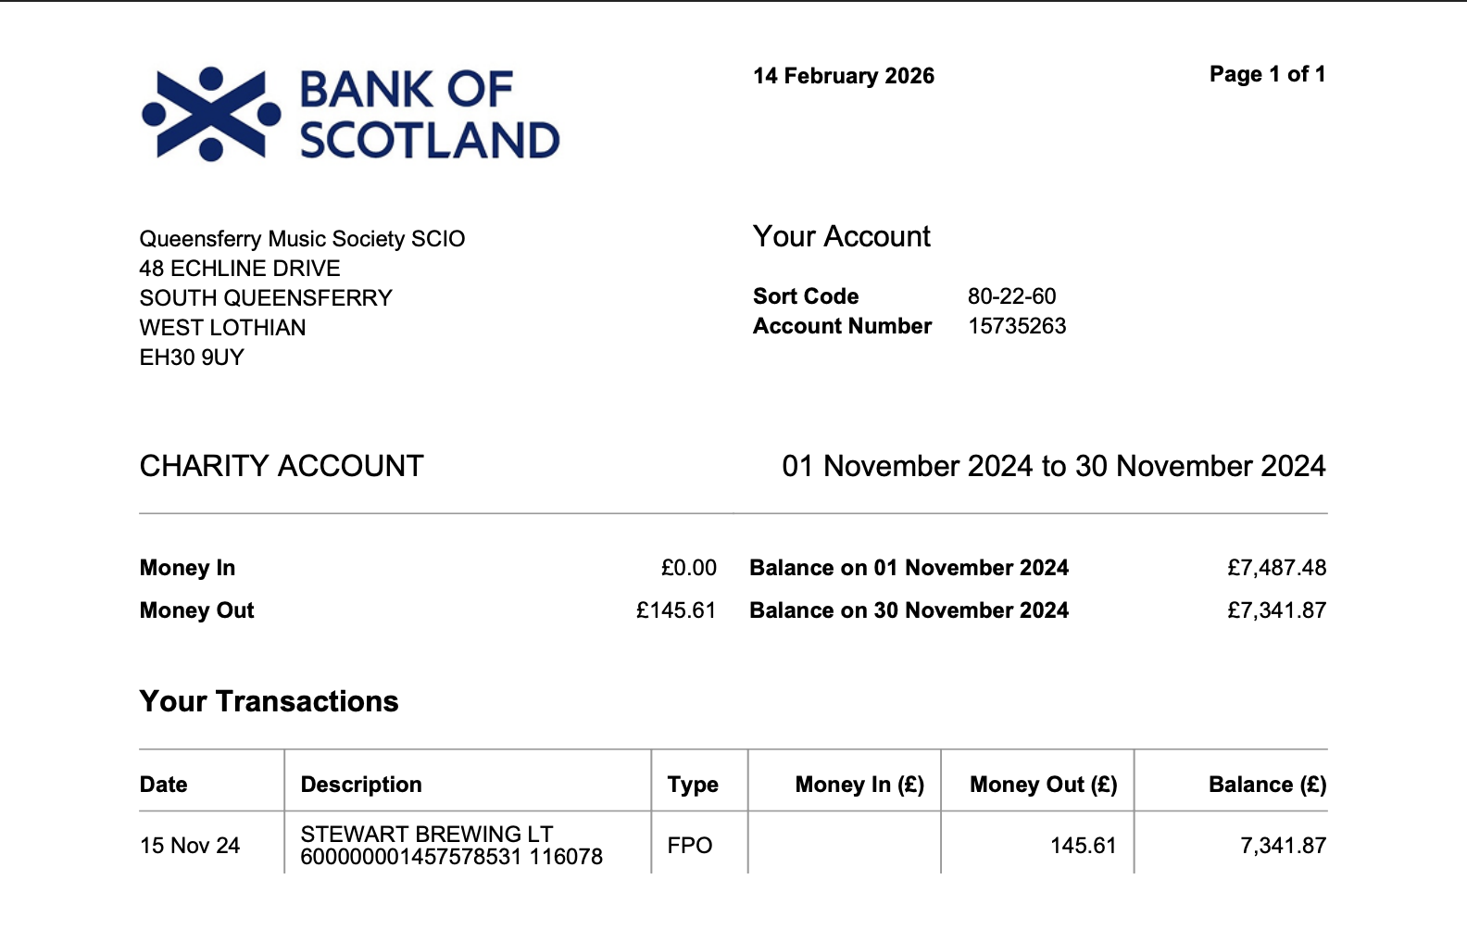

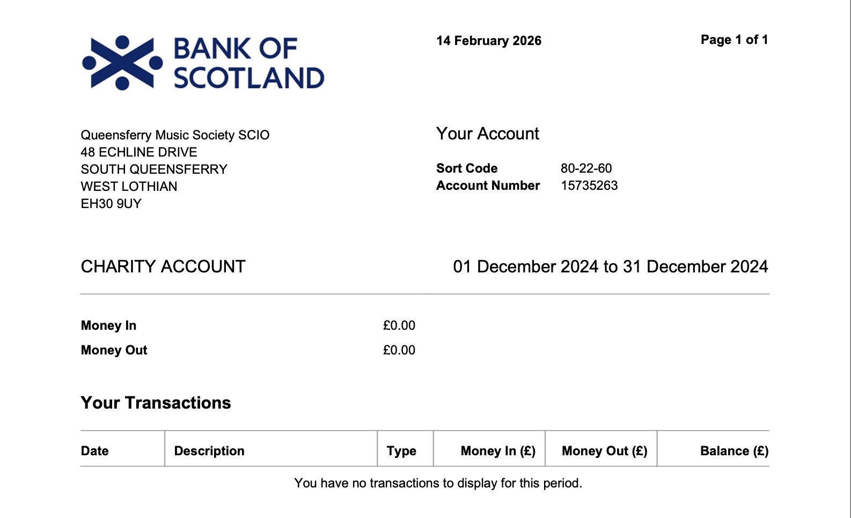

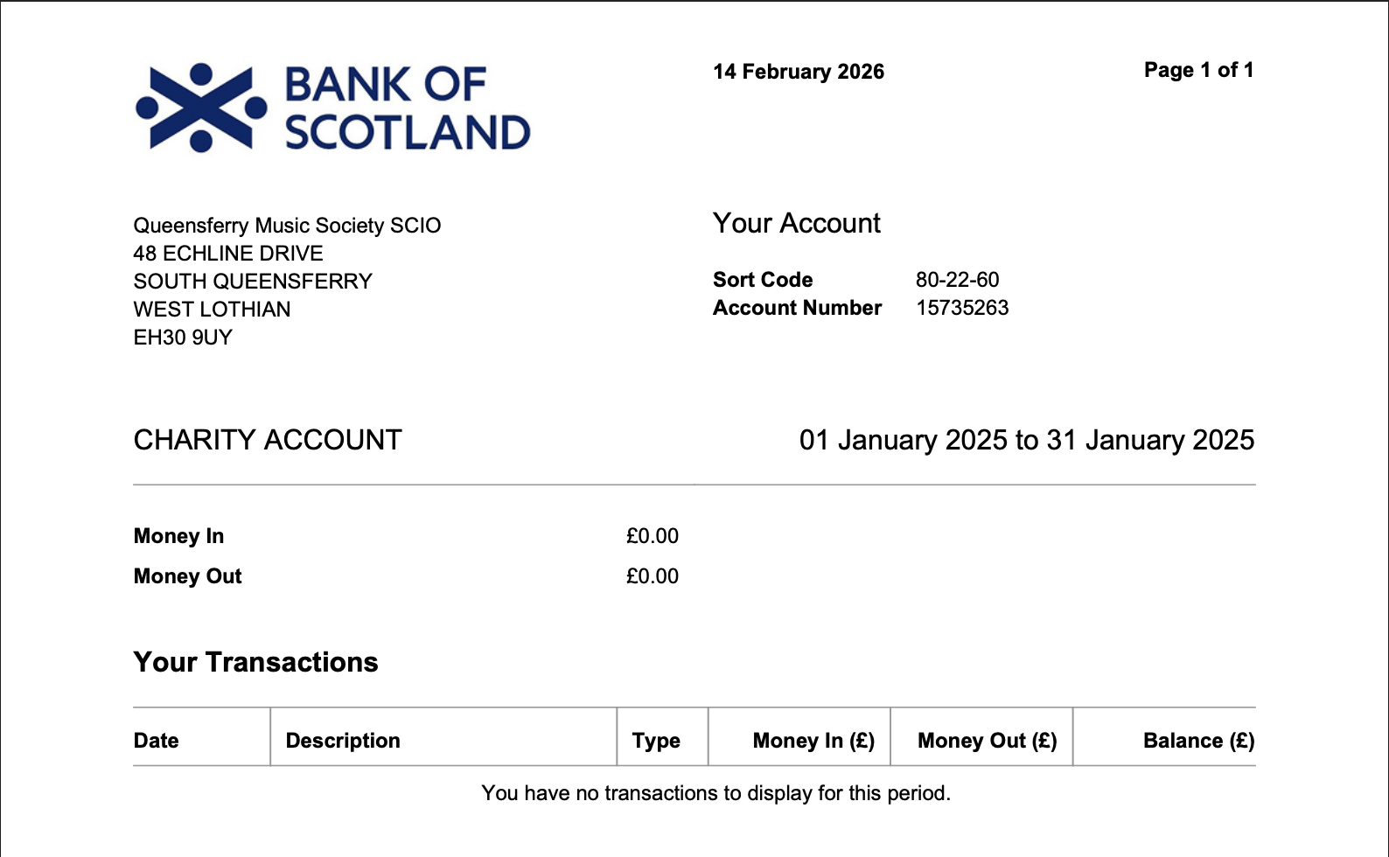

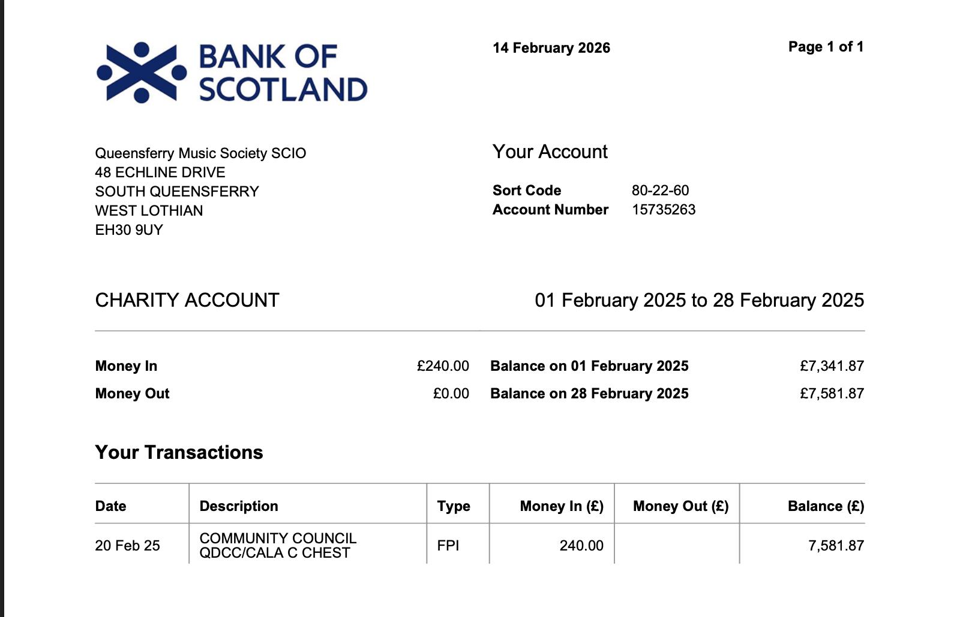

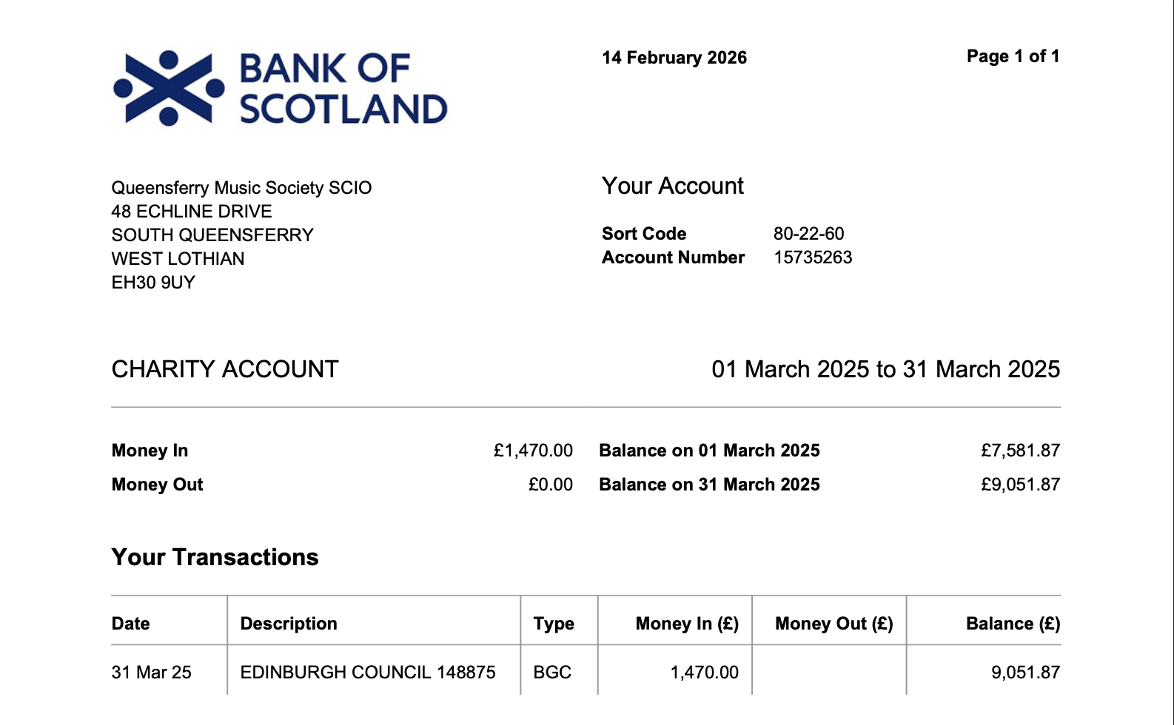

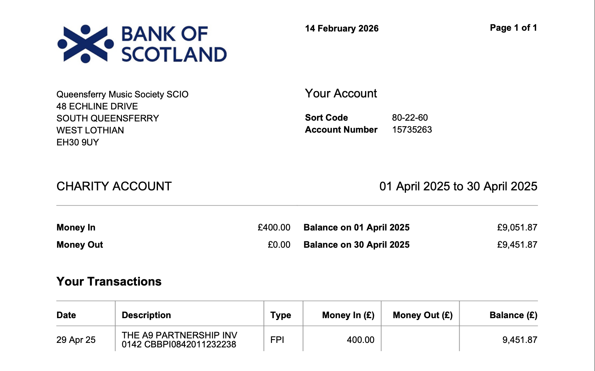

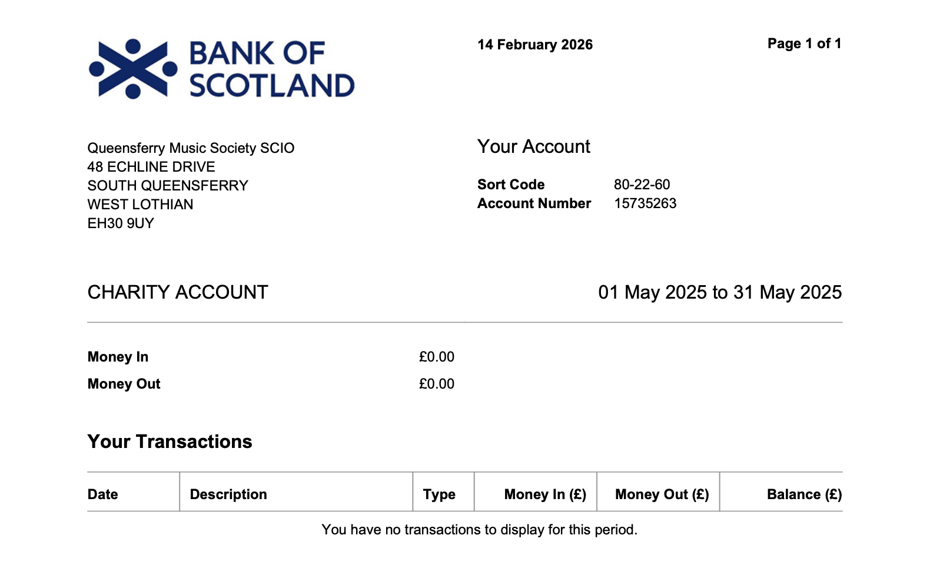

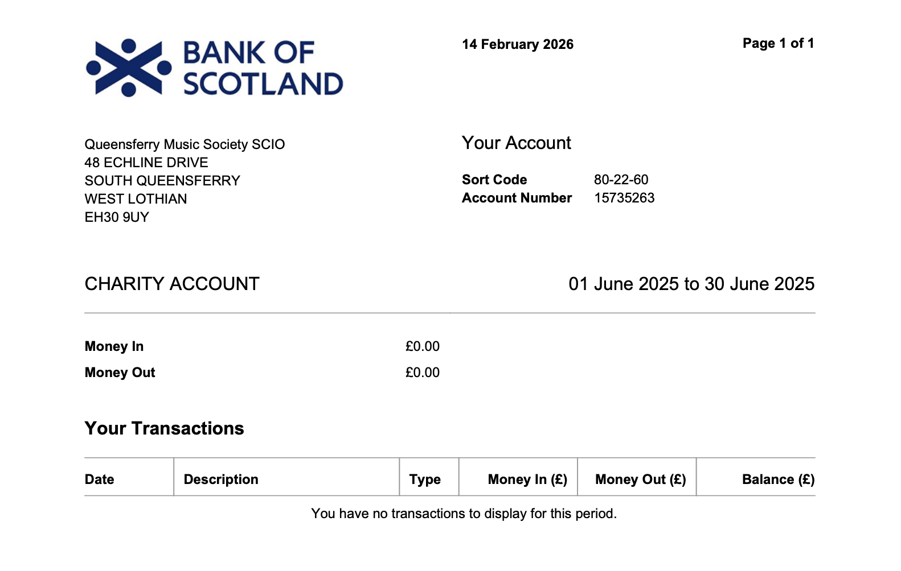

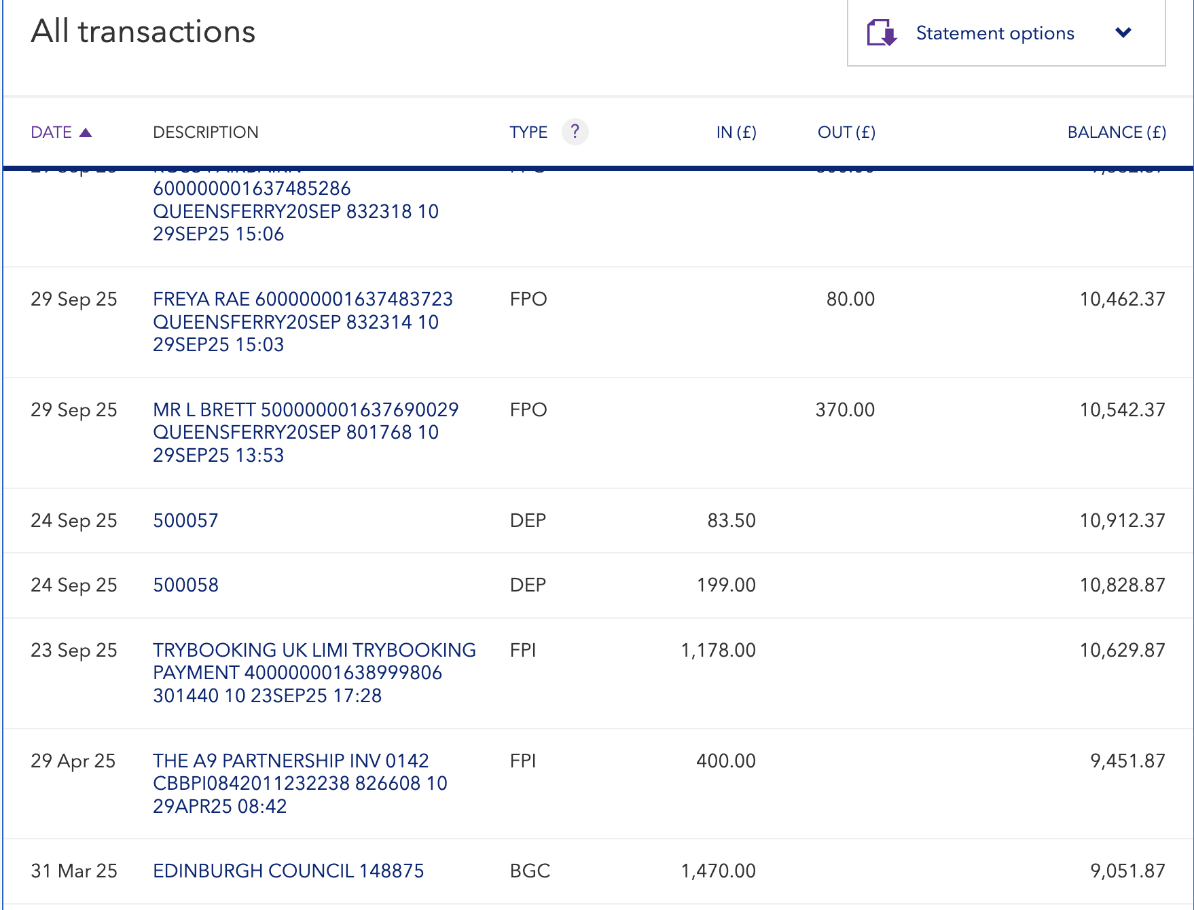

Bank statement 2023-24
