Summary
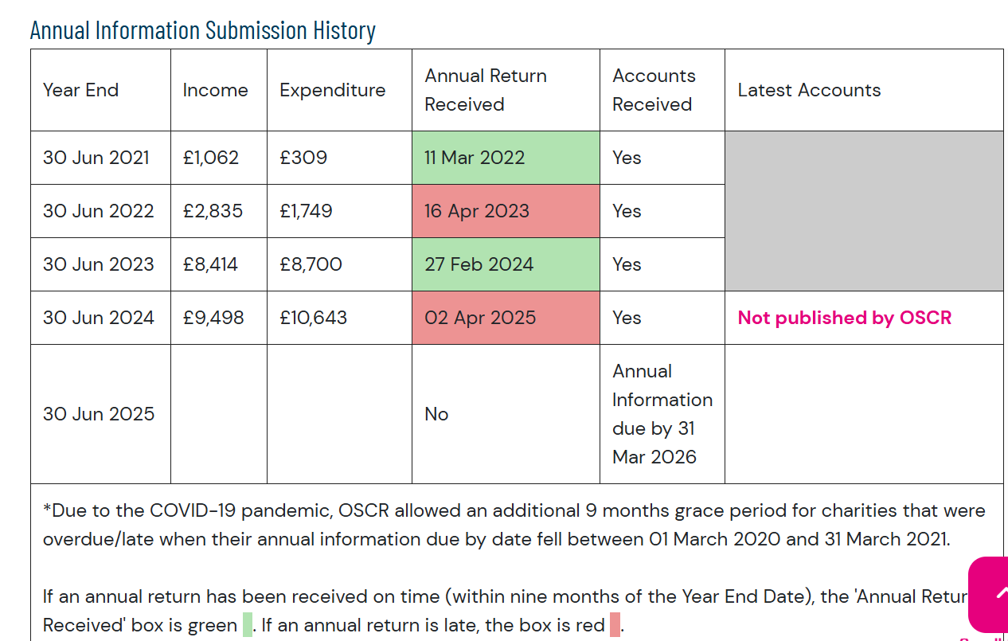
Summary of Financial Status 2024/25

 | 2024/2025 | 2023/2024
Net Balance | GBP | GBP
Total Income | 10,614 | 9,498
Total Expenditure | 10,411 | 10,643
Net Surplus/Deficit | 203 | -1,144

Bank Reconciliation
Opening Balance (01 July) | 4,334 | 5,478
Add income received | 10,614 | 9,498
Less payments deducted | 10,411 | 10,643
Closing Balance (30 June) | 4,537 | 4,334

Check to bank | -0 | -0

Bank Screenshots
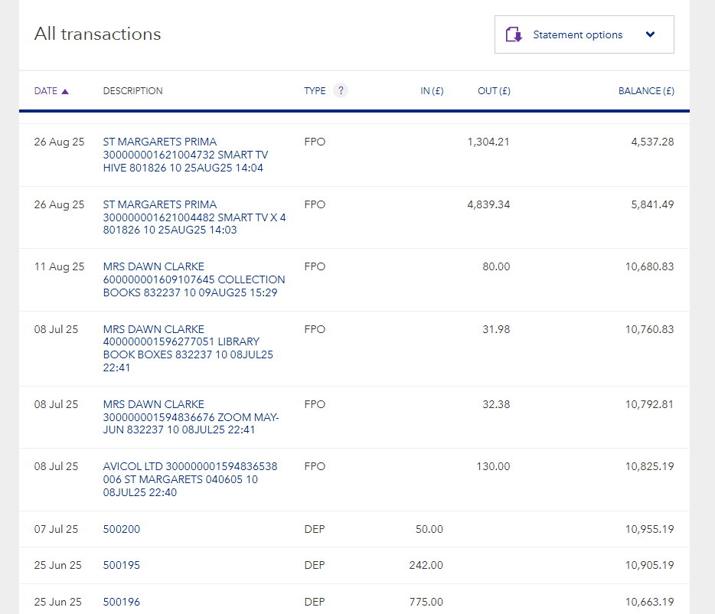

Closing | 4,537.28

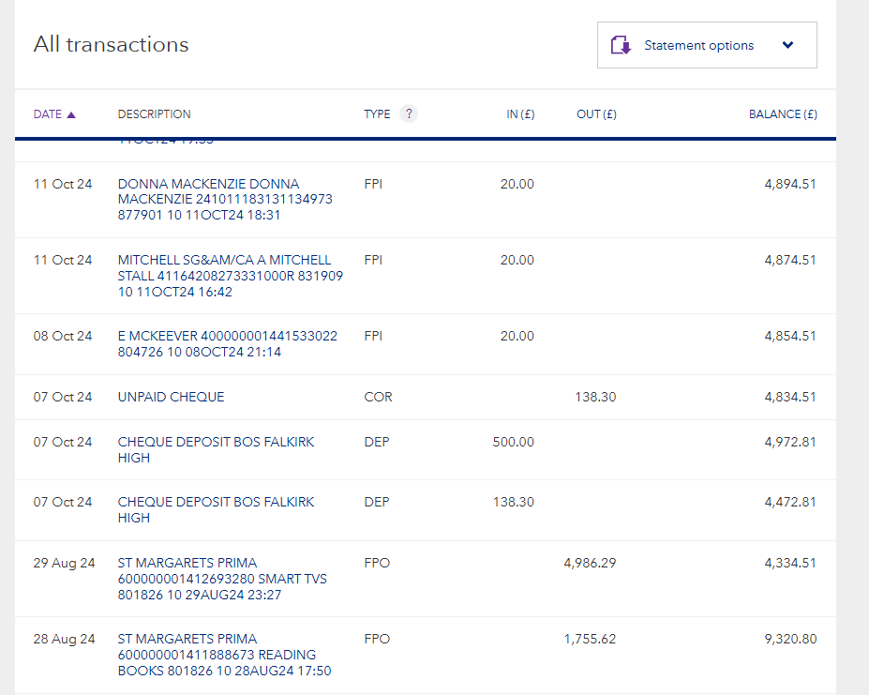

Opening | 4,334.51

