Sheet2
 | "Promoting awareness of the geological heritage of Fife"
 |  |  | 2025 | 2024
 |  |  | £ | £
Receipts
Membership Subscriptions |  |  | 45 | 195
Donations |  |  | 112 | 20

Grants

Total Receipts |  |  | 157 | 215

Payments
Payments for charitable activities

Total Payments for charitable activities |  |  | - | -

Governance Costs
Venue hire |  |  | 15 | 15

Stamps & Envelopes |  |  |  | 20
Printing/Photocopying

Total Governance Costs |  |  | 15 | 35

Total Payments |  |  | 15 | 35

Surplus/Deficit for Period |  |  | 142 | 180

Statement of Balances as at 31 December 2025

Opening Bank Balance |  |  | 4,131 | 3,951

Surplus/Deficit for Period (as above) |  |  | 142 | 180

Closing Bank Balance |  |  | 4,272 | 4,131

All funds are unrestricted

Approved by the Committee and signed on its behalf on

 |  | Treasurer

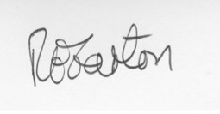

 |  | Chair |  |  | 21.03.2026

