Title page
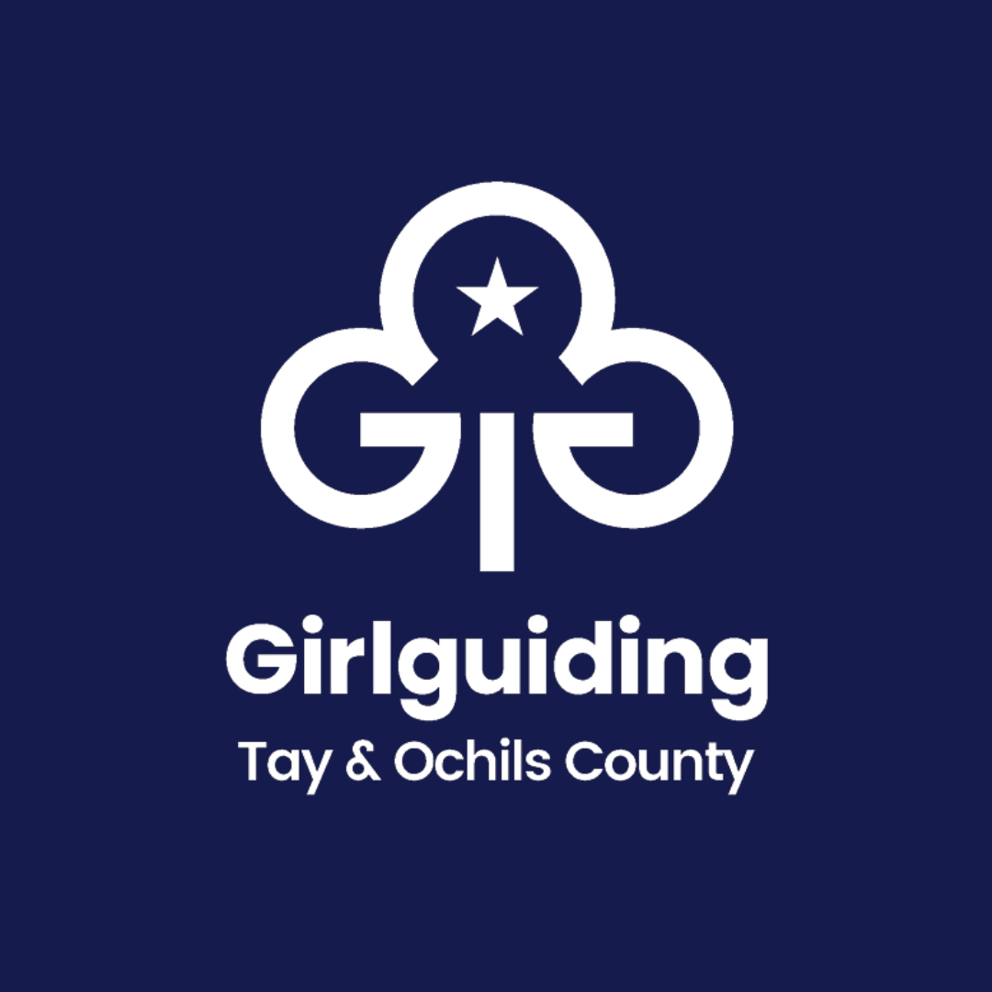

Gartmorn District

9th Alloa Guides

Charity Number (if registered):

SC040069

Annual Report and Financial Statements

for the year ended 31st March 2026

